SAT-CVM-MTN-04
▣ Scenario SAT-CVM-MTN-04: Configuration

STAFF
Display Settings Menu
Display configuration items
Taps with the staff card for log-in
Select configuration menu
Configure items
SCVM
▶ Desc & Flow
Description |  | This functionality enables the staff to change the environmental variables
Biz flow ( It describe briefly )

▶ Advance preparation
Preparation |  | STAFF Card 1 EA, SCVM 1 EA

▶ Data
NO | Item | 1 | 2 | 3 | 4 | 5
1 | N/A

001
Test Case -SAT-OMC-MTN-04-001 : Configuration of environment items

1. Test Scenario
Test date |  | 1st |  | Tester |  | 1st
 |  | 2nd |  |  |  | 2nd
 |  | 3rd |  |  |  | 3rd

Login
Vıew Settings Menu
Select Configuration Menu
Configuration items
Description |  | Configuration of environment items |  |  |  |  | Written by |  | Süleyman Kabadayı
Flow

NO | Task | Test data | Expected result | Person in charge | Result |  | Pass/Fail |  |  | Remark
 |  |  |  |  |  |  | 1st | 2nd | 3rd
1 | [Login] 1. Tapping with the staff card | Test Data : Staff card for testing | Success to Login Display the Setting Menu screen | KIM J.E. | 1st |  |  |  |  | Test Data:B
 |  |  |  |  | 2nd
 |  |  |  |  | 3rd
2 | 1.Select configuration menu |  | Display the configuration menu | KIM J.E. | 1st |  |  |  |  | Test Data:C
 |  |  |  |  | 2nd
 |  |  |  |  | 3rd
3 | 1. Configuration the environment items | Test Data : A | Succes to configure | KIM J.E. | 1st |  |  |  |  | Test Data:D
 |  |  |  |  | 2nd
 |  |  |  |  | 3rd

NO | Item
A | the environment items | -. Volume -. Brightness (It will be included items in the future as the software development)
B | 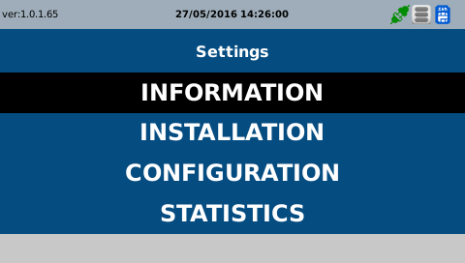 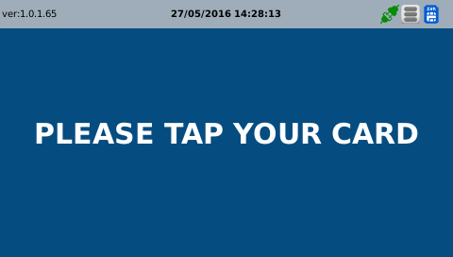
C | 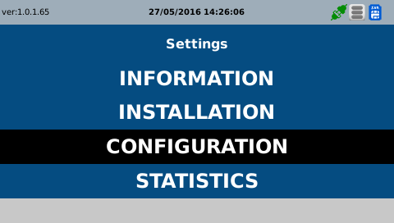
D | 